Merchandise Items
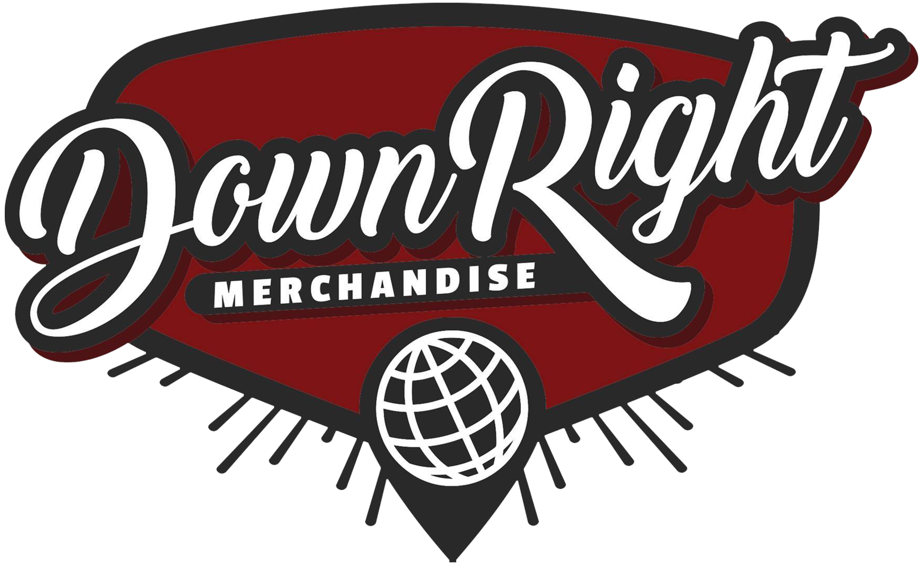
Gross | $298.00 |  |  | PAYMENT PROCESSING
Discount | $25.00 |  |  | GROSS | $298.00
Payment Processing | $15.85 |  |  | DISCOUNTS | $25.00
Cost of Goods Sold | $100.58 |  |  | 3.9% | $10.65
Handling | $6.00 |  |  | UNIQUE ORDERS | 13
Net | $150.57 |  |  | PER ORDER | $5.20
Total Commission | $105.40 |  |  | TOTAL | $15.85
Description | Order # | Fulfillment Date | Order Date | SKU | Product Price | QTY | Gross Sale | COGS Per Unit | Total COGS | Discount | Net | Rate | Handling | Commission | Territory | Inventory Status
If Not For Me - Starry Eyed T-Shirt | #INV3589 | 2023-12-12 | 2023-11-27 | INV-INFM-STEY-BLK-SH-L | $30.00 | 1 | $30.00 | $9.55 | $9.55 | $7.50 | $12.95 | 70.00% | $0.40 | $8.67 | US | Licensed
If Not For Me - Rose T-Shirt | #INV3589 | 2023-12-12 | 2023-11-27 | INV-INFM-ROSE-BLK-SH-L | $30.00 | 1 | $30.00 | $8.94 | $8.94 | $7.50 | $13.56 | 70.00% | $0.40 | $9.09 | US | Licensed
Spirit Leaves - To My Detriment T-Shirt | #INV3622 | 2023-12-26 | 2023-12-07 | INV-SPLV-TMD-BLK-L | $24.00 | 1 | $24.00 | $12.45 | $12.45 | $4.00 | $7.55 | 70.00% | $0.40 | $4.89 | US | Licensed
Dark Divine - Run Away Tee | #INV3584 | 2023-12-04 | 2023-11-25 | INV-DRKD-RUNA-BLK-SH-L | $24.00 | 1 | $24.00 | $8.90 | $8.90 | $6.00 | $9.10 | 70.00% | $0.40 | $5.97 | US | Licensed
Invogue 4" x 2" Logo Patch | #INV3585 | 2023-12-05 | 2023-11-25 | INV-4X2-LGO-PH | $8.00 | 1 | $8.00 | $0.00 | $0.00 | $0.00 | $8.00 | 70.00% | $0.40 | $5.20 | US | Client Owned
Being As An Ocean - Limited Edition Flexi | #INV3591 | 2023-12-12 | 2023-11-27 | INV-BAAO-LTF-FLX-LP | $5.00 | 1 | $5.00 | $0.00 | $0.00 | $0.00 | $5.00 | 70.00% | $0.40 | $3.10 | US | Client Owned
Being As An Ocean - Limited Edition Flexi | #INV3593 | 2023-12-12 | 2023-11-28 | INV-BAAO-LTF-FLX-LP | $5.00 | 1 | $5.00 | $0.00 | $0.00 | $0.00 | $5.00 | 70.00% | $0.40 | $3.10 | US | Client Owned
If Not For Me - Rose T-Shirt | #INV3604 | 2023-12-21 | 2023-12-02 | INV-INFM-ROSE-BLK-SH-S | $30.00 | 1 | $30.00 | $8.94 | $8.94 | $0.00 | $21.06 | 70.00% | $0.40 | $14.34 | US | Licensed
Spirit Leaves - To My Detriment T-Shirt | #INV3606 | 2023-12-15 | 2023-12-02 | INV-SPLV-TMD-BLK-XL | $24.00 | 1 | $24.00 | $12.45 | $12.45 | $0.00 | $11.55 | 70.00% | $0.40 | $7.69 | US | Licensed
Being As An Ocean - Limited Edition Flexi | #INV3614 | 2023-12-21 | 2023-12-04 | INV-BAAO-LTF-FLX-LP | $5.00 | 1 | $5.00 | $0.00 | $0.00 | $0.00 | $5.00 | 70.00% | $0.40 | $3.10 | US | Client Owned
If Not For Me - Starry Eyed T-Shirt | #INV3639 | 2023-12-13 | 2023-12-10 | INV-INFM-STEY-BLK-SH-S | $30.00 | 1 | $30.00 | $9.55 | $9.55 | $0.00 | $20.45 | 70.00% | $0.40 | $13.92 | US | Licensed
If Not For Me - Rose T-Shirt | #INV3639 | 2023-12-13 | 2023-12-10 | INV-INFM-ROSE-BLK-SH-S | $30.00 | 1 | $30.00 | $8.94 | $8.94 | $0.00 | $21.06 | 70.00% | $0.40 | $14.34 | US | Licensed
Being As An Ocean - Limited Edition Flexi | #INV3659 | 2023-12-11 | 2023-12-10 | INV-BAAO-LTF-FLX-LP | $5.00 | 1 | $5.00 | $0.00 | $0.00 | $0.00 | $5.00 | 70.00% | $0.40 | $3.10 | US | Client Owned
Dark Divine - Run Away Tee | #INV3664 | 2023-12-14 | 2023-12-11 | INV-DRKD-RUNA-BLK-SH-L | $24.00 | 1 | $24.00 | $8.90 | $8.90 | $0.00 | $15.10 | 70.00% | $0.40 | $10.17 | US | Licensed
Dark Divine - Eye Tee | #INV3684 | 2023-12-27 | 2023-12-17 | INV-DRKD-EYE-BLK-SH-M | $24.00 | 1 | $24.00 | $11.96 | $11.96 | $0.00 | $12.04 | 70.00% | $0.40 | $8.03 | US | Licensed
...

