Merchandise Items
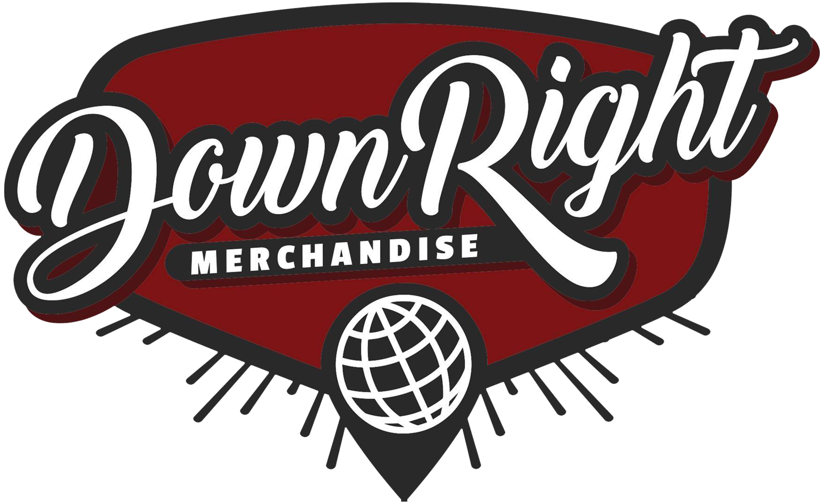
Gross | $320.01 |  |  | PAYMENT PROCESSING
Discount | $12.33 |  |  | GROSS | $320.01
Payment Processing | $17.20 |  |  | DISCOUNTS | $12.33
Cost of Goods Sold | $126.67 |  |  | 3.9% | $12.00
Handling | $6.40 |  |  | UNIQUE ORDERS | 13
Net | $157.41 |  |  | PER ORDER | $5.20
Total Commission | $110.19 |  |  | TOTAL | $17.20
Description | Order # | Fulfillment Date | Order Date | SKU | Product Price | QTY | Gross Sale | COGS Per Unit | Total COGS | Discount | Net | Rate | Handling | Commission | Territory | Inventory Status
Dark Divine - Autographed Halloweentown Poster | #INV3694 | 2024-01-02 | 2023-12-22 | INV-DRKD-HLWN-SGND-PR | $5.00 | 1 | $5.00 | $0.00 | $0.00 | $0.00 | $5.00 | 70.00% | $0.40 | $3.10 | US | Client Owned
Dark Divine - Eye Tee | #INV3732 | 2024-01-22 | 2024-01-10 | INV-DRKD-EYE-BLK-SH-M | $24.00 | 1 | $24.00 | $11.96 | $11.96 | $0.00 | $12.04 | 70.00% | $0.40 | $8.03 | US | Licensed
Dead Bundy - Faces Tee | #INV3708 | 2024-01-04 | 2023-12-31 | INV-DEBU-FACE-BLK-SH-XL | $24.00 | 1 | $24.00 | $8.42 | $8.42 | $5.00 | $10.58 | 70.00% | $0.40 | $7.01 | US | Licensed
Dead Bundy - Poster | #INV3708 | 2024-01-04 | 2023-12-31 | INV-DEBU-PR | $5.00 | 1 | $5.00 | $0.96 | $0.96 | $2.00 | $2.04 | 70.00% | $0.40 | $1.03 | US | Licensed
Designer Disguise - Metal Logo Shirt | #INV3768 | 2024-01-31 | 2024-01-30 | INV-DEDI-MTLG-GLD-SH-XL | $24.00 | 1 | $24.00 | $8.45 | $8.45 | $0.00 | $15.55 | 70.00% | $0.40 | $10.49 | US | Licensed
He Is We - Logo Shirt | #INV3733 | 2024-01-16 | 2024-01-11 | INV-HIW-LOGO-BLKH-SH-L | $24.00 | 1 | $24.00 | $9.46 | $9.46 | $0.00 | $14.54 | 70.00% | $0.40 | $9.78 | US | Licensed
If Not For Me - Rose T-Shirt | #INV3761 | 2024-01-24 | 2024-01-23 | INV-INFM-ROSE-BLK-SH-L | $30.00 | 1 | $30.00 | $8.94 | $8.94 | $0.00 | $21.06 | 70.00% | $0.40 | $14.34 | US | Licensed
If Not For Me - Rose T-Shirt | #INV3769 | 2024-01-31 | 2024-01-30 | INV-INFM-ROSE-BLK-SH-3XL | $33.00 | 1 | $33.00 | $11.94 | $11.94 | $0.00 | $21.06 | 70.00% | $0.40 | $14.34 | US | Licensed
Being As An Ocean - Limited Edition Flexi | #INV3696 | 2024-01-02 | 2023-12-24 | INV-BAAO-LTF-FLX-LP | $5.00 | 1 | $5.00 | $0.00 | $0.00 | $0.00 | $5.00 | 70.00% | $0.40 | $3.10 | US | Client Owned
Being As An Ocean - Limited Edition Flexi | #INV3697 | 2024-01-02 | 2023-12-24 | INV-BAAO-LTF-FLX-LP | $5.00 | 1 | $5.00 | $0.00 | $0.00 | $0.00 | $5.00 | 70.00% | $0.40 | $3.10 | US | Client Owned
Mouth Culture - Losing My Mind T-Shirt (Pre-Order) | #INV3573 | 2024-01-12 | 2023-11-24 | INV-MTCL-LMM-SLV-SH-XL | $28.00 | 1 | $28.00 | $13.88 | $13.88 | $0.00 | $14.12 | 70.00% | $0.40 | $9.48 | US | Licensed
Mouth Culture - Losing My Mind T-Shirt (Pre-Order) | #INV3582 | 2024-01-12 | 2023-11-25 | INV-MTCL-LMM-SLV-SH-XL | $28.00 | 1 | $28.00 | $13.88 | $13.88 | $0.00 | $14.12 | 70.00% | $0.40 | $9.48 | US | Licensed
Mouth Culture - Losing My Mind T-Shirt (Pre-Order) | #INV3669 | 2024-01-12 | 2023-12-12 | INV-MTCL-LMM-SLV-SH-XL | $29.01 | 1 | $29.01 | $13.88 | $13.88 | $0.00 | $15.13 | 70.00% | $0.40 | $10.19 | DE | Licensed
Spirit Leaves - 12x18 Poster | #INV3752 | 2024-01-23 | 2024-01-21 | INV-SPLV-12X18-PST | $5.00 | 1 | $5.00 | $0.00 | $0.00 | $0.83 | $4.17 | 70.00% | $0.40 | $2.52 | US | Client Owned
Spirit Leaves - Sticker | #INV3752 | 2024-01-23 | 2024-01-21 | INV-SPLV-STK | $3.00 | 1 | $3.00 | $0.00 | $0.00 | $0.50 | $2.50 | 70.00% | $0.40 | $1.35 | US | Client Owned
Spirit Leaves - To My Detriment T-Shirt | #INV3752 | 2024-01-23 | 2024-01-21 | INV-SPLV-TMD-BLK-L | $24.00 | 2 | $48.00 | $12.45 | $24.90 | $4.00 | $19.10 | 70.00% | $0.40 | $12.97 | US | Licensed
...

