Line
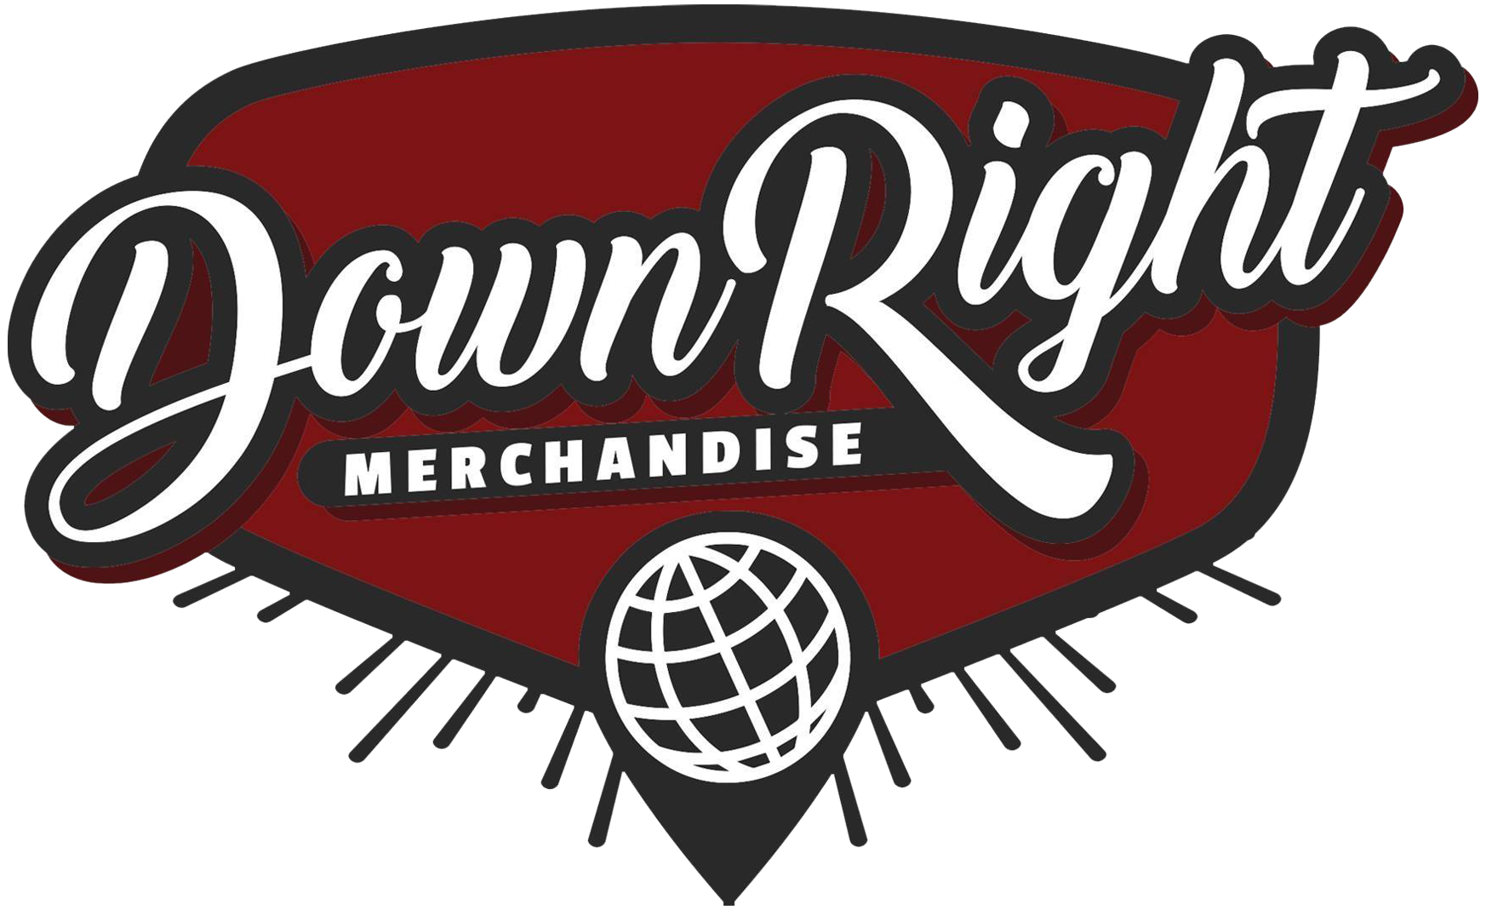
Gross | $478.31 |  |  | PAYMENT PROCESSING
Discount | $3.33 |  |  | GROSS | $478.31
Payment Processing | $29.32 |  |  | DISCOUNTS | $3.33
Cost of Goods Sold | $169.61 |  |  | 3.9% | $18.52
Handling | $16.40 |  |  | UNIQUE ORDERS | 27
Net | $259.65 |  |  | PER ORDER | $10.80
Total Commission | $207.72 |  |  | TOTAL | $29.32
Description | Order # | Fulfillment Date | Order Date | SKU | Product Price | QTY | Gross Sale | COGS Per Unit | Total COGS | Discount | Net | Rate | Handling | Commission | Territory | Inventory Status
Stain The Canvas - Welcome T-Shirt | #INV4103 | 2024-11-27 | 2024-11-26 | 10145990040456988960 | $19.18 | 1 | $19.18 | $16.49 | $16.49 | $1.92 | $0.77 | 80.00% | $0.40 | $0.22 | HU | Licensed
Being As An Ocean - How We Both Wonderfully Perish CD | #INV4107 | 2024-11-29 | 2024-11-26 | INV-BAAO-HWBWP-CD | $1.00 | 1 | $1.00 | $0.00 | $0.00 | $0.00 | $1.00 | 80.00% | $0.40 | $0.40 | US | Client Owned
Discrepancies - Product of Entertainment CD | #INV4108 | 2024-11-29 | 2024-11-26 | INV-DISC-POE-CD | $1.00 | 1 | $1.00 | $0.00 | $0.00 | $0.00 | $1.00 | 80.00% | $0.40 | $0.40 | US | Client Owned
Boys of Fall - Distance CD | #INV4108 | 2024-11-29 | 2024-11-26 | IVR-BOF-DISTANCE-CD | $1.00 | 1 | $1.00 | $0.00 | $0.00 | $0.00 | $1.00 | 80.00% | $0.40 | $0.40 | US | Client Owned
Dark Divine - Halloweentown EP CD | #INV4103 | 2024-11-29 | 2024-11-26 | INV-DRKD-HLWN-CD | $4.09 | 1 | $4.09 | $0.00 | $0.00 | $0.41 | $3.68 | 80.00% | $0.40 | $2.54 | HU | Client Owned
Before Their Eyes - Redemption CD | #INV4095 | 2024-11-29 | 2024-11-25 | INV-BTE-REDEM-CD | $4.00 | 1 | $4.00 | $0.00 | $0.00 | $0.00 | $4.00 | 80.00% | $0.40 | $2.80 | US | Client Owned
For All I Am - No Home CD | #INV4095 | 2024-11-29 | 2024-11-25 | INV-FAIA-NH-CD | $4.00 | 1 | $4.00 | $0.00 | $0.00 | $0.00 | $4.00 | 80.00% | $0.40 | $2.80 | US | Client Owned
Whether, I - Catalyst CD | #INV4095 | 2024-11-29 | 2024-11-25 | INV-WTHRI-CATALYST-CD | $4.00 | 1 | $4.00 | $0.00 | $0.00 | $0.00 | $4.00 | 80.00% | $0.40 | $2.80 | US | Client Owned
Discrepancies - Glitch Logo Tee | #INV4093 | 2024-11-25 | 2024-11-25 | 2166618470 | $15.00 | 1 | $15.00 | $10.55 | $10.55 | $0.00 | $4.45 | 80.00% | $0.40 | $3.16 | US | Licensed
Dark Divine - Halloweentown EP CD | #INV4045 | 2024-11-19 | 2024-11-13 | INV-DRKD-HLWN-CD | $5.00 | 1 | $5.00 | $0.00 | $0.00 | $0.50 | $4.50 | 80.00% | $0.40 | $3.20 | US | Client Owned
Hotel Books - I'm Almost Happy Here, But I Never Feel At Home CD | #INV4104 | 2024-11-30 | 2024-11-26 | INV-HOTBK-IAHHBINFAH-CD | $5.00 | 1 | $5.00 | $0.00 | $0.00 | $0.50 | $4.50 | 80.00% | $0.40 | $3.20 | US | Client Owned
Being As An Ocean - How We Both Wonderfully Perish CD | #INV4042 | 2024-11-15 | 2024-11-11 | INV-BAAO-HWBWP-CD | $5.00 | 1 | $5.00 | $0.00 | $0.00 | $0.00 | $5.00 | 80.00% | $0.40 | $3.60 | US | Client Owned
Boys Of Fall - Better Moments CD | #INV4078 | 2024-11-27 | 2024-11-21 | INV-BOF-BETMOM-CD | $5.00 | 1 | $5.00 | $0.00 | $0.00 | $0.00 | $5.00 | 80.00% | $0.40 | $3.60 | US | Client Owned
Dark Divine - Halloweentown EP CD | #INV4036 | 2024-11-07 | 2024-11-03 | INV-DRKD-HLWN-CD | $5.00 | 1 | $5.00 | $0.00 | $0.00 | $0.00 | $5.00 | 80.00% | $0.40 | $3.60 | US | Client Owned
Dark Divine - Halloweentown EP CD | #INV4085 | 2024-11-29 | 2024-11-24 | INV-DRKD-HLWN-CD | $5.00 | 1 | $5.00 | $0.00 | $0.00 | $0.00 | $5.00 | 80.00% | $0.40 | $3.60 | US | Client Owned
He Is We - Treehouse CD | #INV4034 | 2024-11-06 | 2024-11-01 | INV-HIW-TH-CD | $5.00 | 1 | $5.00 | $0.00 | $0.00 | $0.00 | $5.00 | 80.00% | $0.40 | $3.60 | US | Client Owned
He Is We - Treehouse CD | #INV4079 | 2024-11-27 | 2024-11-22 | INV-HIW-TH-CD | $5.00 | 1 | $5.00 | $0.00 | $0.00 | $0.00 | $5.00 | 80.00% | $0.40 | $3.60 | US | Client Owned
In Her Own Words - Steady Glow CD | #INV4034 | 2024-11-06 | 2024-11-01 | INV-IHOW-SG-CD | $5.00 | 1 | $5.00 | $0.00 | $0.00 | $0.00 | $5.00 | 80.00% | $0.40 | $3.60 | US | Client Owned
In Her Own Words - Steady Glow CD | #INV4064 | 2024-11-25 | 2024-11-16 | INV-IHOW-SG-CD | $5.00 | 1 | $5.00 | $0.00 | $0.00 | $0.00 | $5.00 | 80.00% | $0.40 | $3.60 | US | Client Owned
In Her Own Words - Steady Glow CD | #INV4078 | 2024-11-27 | 2024-11-21 | INV-IHOW-SG-CD | $5.00 | 1 | $5.00 | $0.00 | $0.00 | $0.00 | $5.00 | 80.00% | $0.40 | $3.60 | US | Client Owned
In Her Own Words - Unfamiliar CD | #INV4064 | 2024-11-25 | 2024-11-16 | INV-IHOW-UNFA-CD | $5.00 | 1 | $5.00 | $0.00 | $0.00 | $0.00 | $5.00 | 80.00% | $0.40 | $3.60 | US | Client Owned
In Her Own Words - Unfamiliar CD | #INV4078 | 2024-11-27 | 2024-11-21 | INV-IHOW-UNFA-CD | $5.00 | 1 | $5.00 | $0.00 | $0.00 | $0.00 | $5.00 | 80.00% | $0.40 | $3.60 | US | Client Owned
Boys of Fall - Distance CD | #INV4064 | 2024-11-25 | 2024-11-16 | IVR-BOF-DISTANCE-CD | $5.00 | 1 | $5.00 | $0.00 | $0.00 | $0.00 | $5.00 | 80.00% | $0.40 | $3.60 | US | Client Owned
Boys of Fall - Distance CD | #INV4078 | 2024-11-27 | 2024-11-21 | IVR-BOF-DISTANCE-CD | $5.00 | 1 | $5.00 | $0.00 | $0.00 | $0.00 | $5.00 | 80.00% | $0.40 | $3.60 | US | Client Owned
Whether, I - Catalyst CD | #INV4035 | 2024-11-07 | 2024-11-03 | INV-WTHRI-CATALYST-CD | $5.20 | 1 | $5.20 | $0.00 | $0.00 | $0.00 | $5.20 | 80.00% | $0.40 | $3.76 | CN | Client Owned
Whether, I - Catalyst CD | #INV4047 | 2024-11-25 | 2024-11-14 | INV-WTHRI-CATALYST-CD | $5.69 | 1 | $5.69 | $0.00 | $0.00 | $0.00 | $5.69 | 80.00% | $0.40 | $4.15 | CA | Client Owned
Discrepancies - Album Art Hoodie | #INV4093 | 2024-11-25 | 2024-11-25 | 2166691631 | $30.00 | 1 | $30.00 | $23.68 | $23.68 | $0.00 | $6.32 | 80.00% | $0.40 | $4.66 | US | Licensed
Ghost Key "If I Dont Make It" LP (Gold/Black) | #INV4039 | 2024-11-15 | 2024-11-08 | INV-GK-IIDMI-GB-LP | $8.00 | 1 | $8.00 | $0.00 | $0.00 | $0.00 | $8.00 | 80.00% | $0.40 | $6.00 | US | Client Owned
Ghost Key "See It Through" LP (Pink) | #INV4039 | 2024-11-15 | 2024-11-08 | INV-GK-SIT-PNK-LP | $8.00 | 1 | $8.00 | $0.00 | $0.00 | $0.00 | $8.00 | 80.00% | $0.40 | $6.00 | US | Client Owned
Shreddy Krueger - Deeper Darker Clear Vinyl LP | #INV4039 | 2024-11-15 | 2024-11-08 | INV-SHRDKR-DEEP-CLR-LP | $8.00 | 1 | $8.00 | $0.00 | $0.00 | $0.00 | $8.00 | 80.00% | $0.40 | $6.00 | US | Client Owned
Shreddy Krueger - Deeper Darker Clear Vinyl LP | #INV4048 | 2024-11-21 | 2024-11-15 | INV-SHRDKR-DEEP-CLR-LP | $8.00 | 1 | $8.00 | $0.00 | $0.00 | $0.00 | $8.00 | 80.00% | $0.40 | $6.00 | US | Client Owned
Stain The Canvas - Welcome T-Shirt | #INV4041 | 2024-11-11 | 2024-11-09 | 10145990040456988960 | $25.65 | 1 | $25.65 | $16.49 | $16.49 | $0.00 | $9.16 | 80.00% | $0.40 | $6.93 | NZ | Licensed
Being As An Ocean - Being As An Ocean Cloudy Clear/Cloudy Grey - Vinyl LP | #INV4033 | 2024-11-05 | 2024-10-27 | INV-BAAO-ST-CLD-LP | $9.23 | 1 | $9.23 | $0.00 | $0.00 | $0.00 | $9.23 | 80.00% | $0.40 | $6.98 | CH | Client Owned
Spirit Leaves - To My Detriment T-Shirt | #INV4040 | 2024-11-15 | 2024-11-08 | INV-SPLV-TMD-BLK-L | $24.00 | 1 | $24.00 | $12.45 | $12.45 | $0.00 | $11.55 | 80.00% | $0.40 | $8.84 | US | Licensed
Discrepancies - Recovery T-Shirt | #INV4043 | 2024-11-19 | 2024-11-12 | INV-DISC-REC-BLK-SH-L | $24.00 | 1 | $24.00 | $11.96 | $11.96 | $0.00 | $12.04 | 80.00% | $0.40 | $9.23 | US | Licensed
Stain The Canvas - All Fine Hoodie | #INV4059 | 2024-11-18 | 2024-11-15 | 28972538230741816159 | $46.27 | 1 | $46.27 | $34.03 | $34.03 | $0.00 | $12.24 | 80.00% | $0.40 | $9.39 | DE | Licensed
Dark Divine - Run Away Tee | #INV4056 | 2024-11-21 | 2024-11-15 | INV-DRKD-RUNA-BLK-SH-L | $25.00 | 1 | $25.00 | $8.90 | $8.90 | $0.00 | $16.10 | 80.00% | $0.40 | $12.48 | US | Licensed
Camp Hope - Michael CD | #INV4097 | 2024-11-29 | 2024-11-25 | INV-CAMP-MICHA-CD | $4.00 | 5 | $20.00 | $0.00 | $0.00 | $0.00 | $20.00 | 80.00% | $0.40 | $15.60 | US | Client Owned
If Not For Me - Rose T-Shirt | #INV4044 | 2024-11-19 | 2024-11-12 | INV-INFM-ROSE-BLK-SH-L | $30.00 | 1 | $30.00 | $8.94 | $8.94 | $0.00 | $21.06 | 80.00% | $0.40 | $16.45 | US | Licensed
Discrepancies - Album Art T-Shirt | #INV4043 | 2024-11-19 | 2024-11-12 | INV-DISC-ALB-BLK-SH-L | $24.00 | 2 | $48.00 | $13.06 | $26.12 | $0.00 | $21.88 | 80.00% | $0.40 | $17.10 | US | Licensed
Dayseeker - What it Means to be Defeated Vinyl LP - Forest Fire | #INV4037 | 2024-11-13 | 2024-11-04 | INV-DAYS-WIMTBD-FIRE-LP | $25.00 | 1 | $25.00 | $0.00 | $0.00 | $0.00 | $25.00 | 80.00% | $0.40 | $19.60 | US | Client Owned
...

