Line
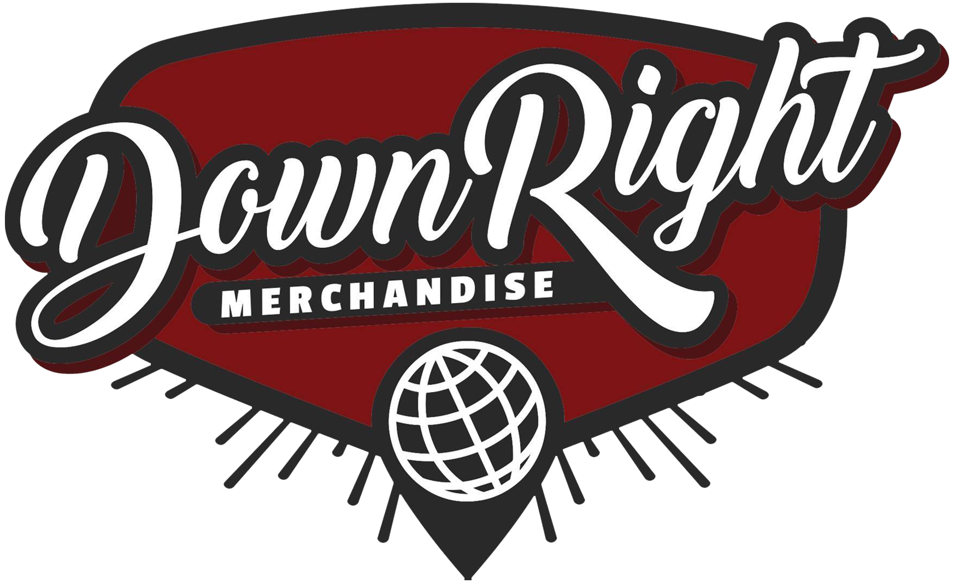
Gross | $102.44 |  |  | PAYMENT PROCESSING
Discount | $0.00 |  |  | GROSS | $102.44
Payment Processing | $7.20 |  |  | DISCOUNTS | $0.00
Cost of Goods Sold | $0.00 |  |  | 3.9% | $4.00
Handling | $0.40 |  |  | UNIQUE ORDERS | 8
Net | $94.84 |  |  | PER ORDER | $3.20
Total Commission | $75.88 |  |  | TOTAL | $7.20
Description | Order # | Fulfillment Date | Order Date | SKU | Product Price | QTY | Gross Sale | COGS Per Unit | Total COGS | Discount | Net | Rate | Handling | Commission | Territory | Inventory Status
Dark Divine - Halloweentown EP Digital Download | #INV4652 | 2025-05-24 | 2025-05-24 | 196925516297 | $5.00 | 1 | $5.00 | $0.00 | $0.00 | $0.00 | $5.00 | 80.00% | $0.00 | $4.00 |  | Client Owned
Hotel Books - I'm Almost Happy Here, But I Never Feel At Home CD | #INV4582 | 2025-05-08 | 2025-05-02 | INV-HOTBK-IAHHBINFAH-CD | $10.00 | 1 | $10.00 | $0.00 | $0.00 | $0.00 | $10.00 | 80.00% | $0.00 | $8.00 | US | Client Owned
Designer Disguise - Elswaer CD | #INV4610 | 2025-05-15 | 2025-05-05 | INV-DEDI-ELSW-CD | $10.41 | 1 | $10.41 | $0.00 | $0.00 | $0.00 | $10.41 | 80.00% | $0.00 | $8.33 | JP | Client Owned
Discrepancies - Product of Entertainment CD | #INV4610 | 2025-05-15 | 2025-05-05 | INV-DISC-POE-CD | $10.41 | 1 | $10.41 | $0.00 | $0.00 | $0.00 | $10.41 | 80.00% | $0.00 | $8.33 | JP | Client Owned
Helia - The Great Divide CD | #INV4612 | 2025-05-15 | 2025-05-06 | INV-HELIA-TGD-CD | $10.43 | 1 | $10.43 | $0.00 | $0.00 | $0.00 | $10.43 | 80.00% | $0.00 | $8.34 | JP | Client Owned
Boys Of Fall - Better Moments CD | #INV4618 | 2025-05-16 | 2025-05-07 | INV-BOF-BETMOM-CD | $10.47 | 1 | $10.47 | $0.00 | $0.00 | $0.00 | $10.47 | 80.00% | $0.00 | $8.38 | JP | Client Owned
Diva Bleach - Can You Keep A Secret? Digital Download | #INV4641 | 2025-05-16 | 2025-05-16 | 198846662749 | $10.72 | 1 | $10.72 | $0.00 | $0.00 | $0.00 | $10.72 | 80.00% | $0.00 | $8.58 |  | Client Owned
Diva Bleach - Can You Keep A Secret? LP | #INV4622 | 2025-05-14 | 2025-05-08 | IV-DIVAB-CYKAS-HPNK-LP | $25.00 | 1 | $25.00 | $0.00 | $0.00 | $0.00 | $25.00 | 80.00% | $0.00 | $20.00 | US | Client Owned
Mouth Culture - Mishaps Of My Mid-Twenties Digital Download | #INV4341 | 2025-03-20 | 2025-03-20 | INV-HOTBK-IAHHBINFAH | $10.00 | 1 | $10.00 | $0.00 | $0.00 | $0.00 | $10.00 | 80.00% | $0.40 | $7.60 |  | Client Owned
...

